RxnCheck
X
Y
b_1
b_2
b_1_outer
b_2_outer
 | Seismic force as per | IS 1893-1 (2016) | 3 |  |  | Total Reaction (Unfactored) |  |  |  |  | 2D Frame Reaction (Unfac) |  |  |  | 3D Frame Seismic wt. (IS 1893) |  |  |  | 2D Frame Expected weight (Ellingwood et al., 1980)
 | Detailing | Special 13920 (2016) | 4 |  |  | Dead Load | 93569 | kN |  |  | Dead Load | 10271 | kN |  | Seismic wt. | 111724 | kN |  | Expected wt. | 11280 | kN
 | Design SCWB factor | 1.4 |  |  |  | Live Load | 36310 | kN |  |  | Live Load | 4034 | kN
 | Model Type: | Haselton | 1 |  |  |  |  |  |  |  |  |  |  |  |  |  |  |  |  | diff w/ opensees model | 0.0%

 | Specify SCWB Factor |  | For non-codal SCWB factors, specify the design value here |  |  |  |  |  | OK |  | ρcc (%) | 0.69403133056 | BayNum | 1 |  | 2 |  | 3
ETABS does not reduce the selfwt. for overlapping regions of beam-columns-slabs, resulting in overestimation of dead loads as comapred to manual calculation. |  |  |  |  |  |  |  |  | numCol | 2 |  | 2 | BayW | 8200 |  | 8200 |  | 8200 |  |  |  |  |  |  |  |  |  |  |  |  |  |  |  | 0.25
 | All dimensions in mm. |  |  |  |  | Level name | Level num | floor ht | Corner Col size |  | Center Col size |  | Long. beam size |  |  |  |  |  |  |  |  |  | Trans. beam size |  |  |  | slab | long beam | trans beam | col | SIDL | LL | DL | DL + 0.25LL |  | Ht | 1.86E+13 | Story force
 | Model name | 5story_35053v02_R5 |  |  |  |  |  |  |  |  |  |  |  |  |  |  |  |  |  |  |  |  |  |  |  |  |  |  |  |  |  |  |  |  |  |  |  | (kN)
 | bldgID | 35053 |  |  |  | Level 5 (20.1 m) | 5 | 3900 | 450 × | 600 | 600 × | 600 | 400 × | 750 | 400 × | 750 | 400 × | 750 |  |  |  |  | 400 × | 750 |  |  | 11347 | 1230 | 1476 | 992.25 | 3630.96 | 7261.92 | 18676 | 20491 | 3900 | 20100 | 0.44 | 2593.7041504
 | #bays | 3 |  |  |  | Level 4 (16.2 m) | 4 | 3900 | 450 × | 600 | 600 × | 600 | 400 × | 750 | 400 × | 750 | 400 × | 750 |  |  |  |  | 400 × | 750 |  |  | 11347 | 1230 | 1476 | 992.25 | 3630.96 | 7261.92 | 18676 | 20491 | 7800 | 16200 | 0.29 | 1684.8387842
 | #floors | 5 |  |  |  | Level 3 (12.3 m) | 3 | 3900 | 450 × | 600 | 600 × | 600 | 400 × | 750 | 400 × | 750 | 400 × | 750 |  |  |  |  | 400 × | 750 |  |  | 11347 | 1230 | 1476 | 992.25 | 3630.96 | 7261.92 | 18676 | 20491 | 11700 | 12300 | 0.17 | 971.26680257
 | Zone | V |  |  |  | Level 2 (8.4 m) | 2 | 3900 | 450 × | 600 | 600 × | 600 | 400 × | 750 | 400 × | 750 | 400 × | 750 |  |  |  |  | 400 × | 750 |  |  | 11347 | 1230 | 1476 | 992.25 | 3630.96 | 7261.92 | 18676 | 20491 | 15600 | 8400 | 0.08 | 452.98820536
 | Importance factor, I | 1 |  |  |  | Level 1 (4.5 m) | 1 | 4500 | 450 × | 600 | 600 × | 600 | 400 × | 750 | 400 × | 750 | 400 × | 750 |  |  |  |  | 400 × | 750 |  |  | 11347 | 1230 | 1476 | 1181.25 | 3630.96 | 7261.92 | 18865 | 20680 | 20100 | 4500 | 0.02 | 131.20205747
 | RRF | 5 |  |  |  | Level 0 (0.0 m) | 0 |  |  |  |  |  |  |  |  |  |  |  |  |  |  |  |  |  |  |  | 11347 | 0 | 0 | 0 | 3630.96 | 7261.92 | 14978 | 16793 | 20100 | 0 | 0.00 | 0
 | Building type | RCC bare frame |  |  |  | Level -1 (0.0 m) | -1 |  |  |  |  |  |  |  |  |  |  |  |  |  |  |  |  |  |  |  | 11347 | 0 | 0 | 0 | 3630.96 | 7261.92 | 14978 | 16793 | 20100 | 0 | 0.00 | 0
 | Soil Strata | Rocky or Hard Soil | A/B |  |  | Level -2 (0.0 m) | -2 |  |  |  |  |  |  |  |  |  |  |  |  |  |  |  |  |  |  |  | 11347 | 0 | 0 | 0 | 3630.96 | 7261.92 | 14978 | 16793 | 20100 | 0 | 0.00 | 0
 | Live Load | 4 | kPa |  |  | Level -3 (0.0 m) | -3 |  |  |  |  |  |  |  |  |  |  |  |  |  |  |  |  |  |  |  | 11347 | 0 | 0 | 0 | 3630.96 | 7261.92 | 14978 | 16793 | 20100 | 0 | 0.00 | 0
 | partition + MEP + FF | 2 | kPa |  |  | Level -4 (0.0 m) | -4 |  |  |  |  |  |  |  |  |  |  |  |  |  |  |  |  |  |  |  | 11347 | 0 | 0 | 0 | 3630.96 | 7261.92 | 14978 | 16793 | 20100 | 0 | 0.00 | 0
 | Slab thk | 250 | mm |  |  | Level -5 (0.0 m) | -5 |  |  |  |  |  |  |  |  |  |  |  |  |  |  |  |  |  |  |  | 11347 | 0 | 0 | 0 | 3630.96 | 7261.92 | 14978 | 16793 | 20100 | 0 | 0.00 | 0
 | Conc density | 25 | kN/cum |  |  | Level -6 (0.0 m) | -6 |  |  |  |  |  |  |  |  |  |  |  |  |  |  |  |  |  |  |  | 11347 | 0 | 0 | 0 | 3630.96 | 7261.92 | 14978 | 16793 | 20100 | 0 | 0.00 | 0
 | Trib width (trans bayW) | 8200 | mm |  |  | Level -7 (0.0 m) | -7 |  |  |  |  |  |  |  |  |  |  |  |  |  |  |  |  |  |  |  |  |  |  |  |  |  |  | 102646
 | #TransverseBays | 9 |  |  |  |  | Complete 3D building loads
 |  |  |  |  |  |  |  | Slab self weight |  |  |  |  | Beam self weight |  |  |  | Col self weight |  |  |  |  | Extra in ETABS
 |  |  |  |  |  |  |  | Slabs /floor | 11347 | kN |  |  | Long beam all floors /bay | 615 | kN |  | Col /bay | 515 | kN |  |  | beam | 6765 | kN
 | Height of the building | 20.1 | m |  | 56734 |  |  | Slab total | 56733.75 | kN |  |  | Long beam total | 6150 | kN |  | Col total | 5150 | kN |  |  | col | 1181 | kN
 | Period, TX (sec) | 0.712 |  |  |  |  |  |  |  |  |  |  |  |  |  |  |  |  |  |  |  | ETABS DL | 101515 | kN | (if not corrected by reducing density)
 | Period, TY (sec) | 0.712 |  |  |  |  |  | Other loads on slab |  |  |  |  | Trans beam all floors /bay | 1845 | kN |  |  |  |  |  |  |  |  |  | 8.5%
 |  |  |  |  |  |  |  | partition + MEP + FF | 18155 | kN |  |  | Trans beam total | 7380 | kN |  |  |  |  |  |  | Beam revised ρ | 16.67 | kN/m^3
 | ETABS Results: |  |  | Δ |  |  |  | Live load | 36310 | kN |  |  |  |  |  |  |  |  |  |  |  | Col revised ρ | 20.34 | kN/m^3
 | Dead Load (kN) | 97863 |  | 4.6% | OK! | OK! |  |  |  |  |  |  |  |  |  |  |  |  |  |  |  | OR
 | Live Load (kN) | 36310 |  | 0.0% | OK! |  | 2D Frame Reactions |  |  |  |  |  |  |  |  |  |  |  |  |  |  | Common revised ρ | 17.54 | kN/m^3 | 18.8 | kN/m^3
 | EQX (kN) | 5834 |  | -0.6% | OK! |  |  | Slab self weight |  |  |  |  | Beam self weight |  |  |  | Col self weight
 | EQY (kN) | 5834 |  | -0.6% | OK! |  |  | Slabs /floor | 1260.8 | kN |  |  | Long beam all floors /bay | 615 | kN |  | Col | 515 | kN
 |  |  |  |  |  |  |  | Slab total | 6303.75 | kN |  |  | Long beam total | 615 | kN |  | Col total | 515 | kN
 | Manual Base Shear:
 | EQX (kN) | 5866 | IS 1893-1 (2016) |  |  |  |  | Other loads on slab |  |  |  |  | Trans beam all floors /bay | 205 | kN
 | EQY (kN) | 5866 | IS 1893-1 (2016) |  |  |  |  | partition + MEP + FF | 2017 | kN |  |  | Trans beam total | 820 | kN
 |  |  |  |  |  |  |  | Live load | 4034 | kN
 | Drift check (SERVICEABILITY):
 | Max story drift (from ETABS) | 0.002982 |  | OK | Without scaling it to match Vb

 | DL on slab, per unit area | 8.25 | kPa
 | LL on slab, per unit area | 4 | kPa
 | Total unit load | 12.25 | kPa
 | Total area | 1815.48 | sqm.

 | approx DL (i/c 25% for beamCol) | 93611 | kN | 4.3%
 | approx LL | 36310 | kN | 0.0%

 | b1 (col-to-col) | 24.6 | m | (used for period calculations of frames with infill wall as per IS 1893-2016)
 | b2 (col-to-col) | 73.8 | m

Vb
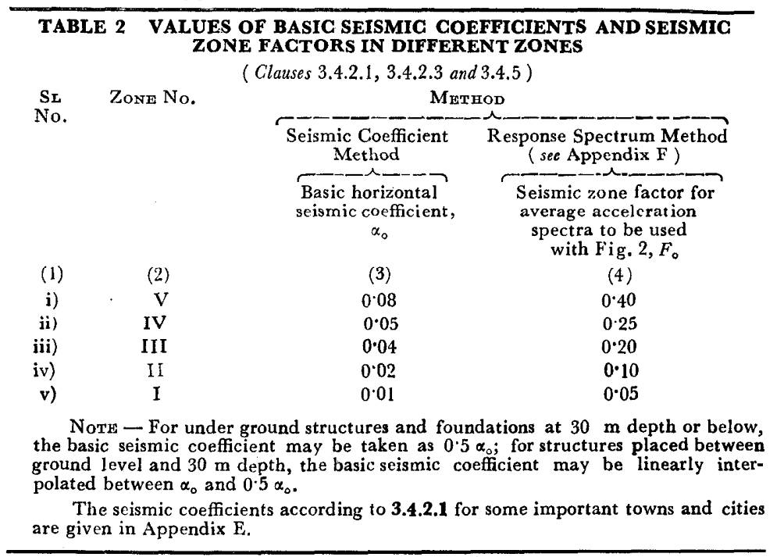
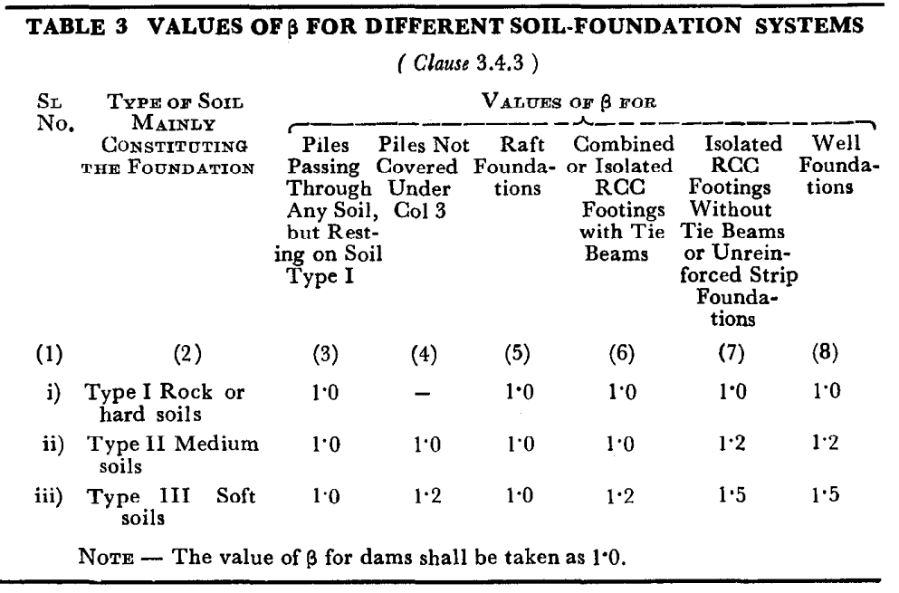
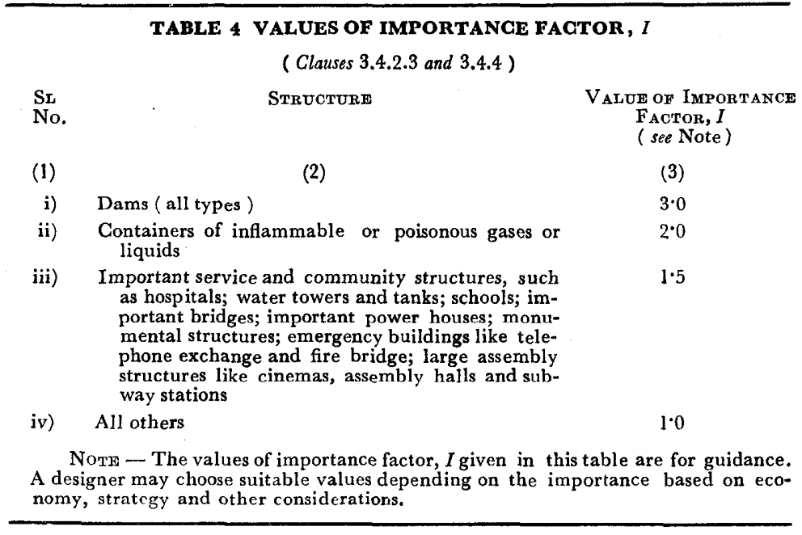
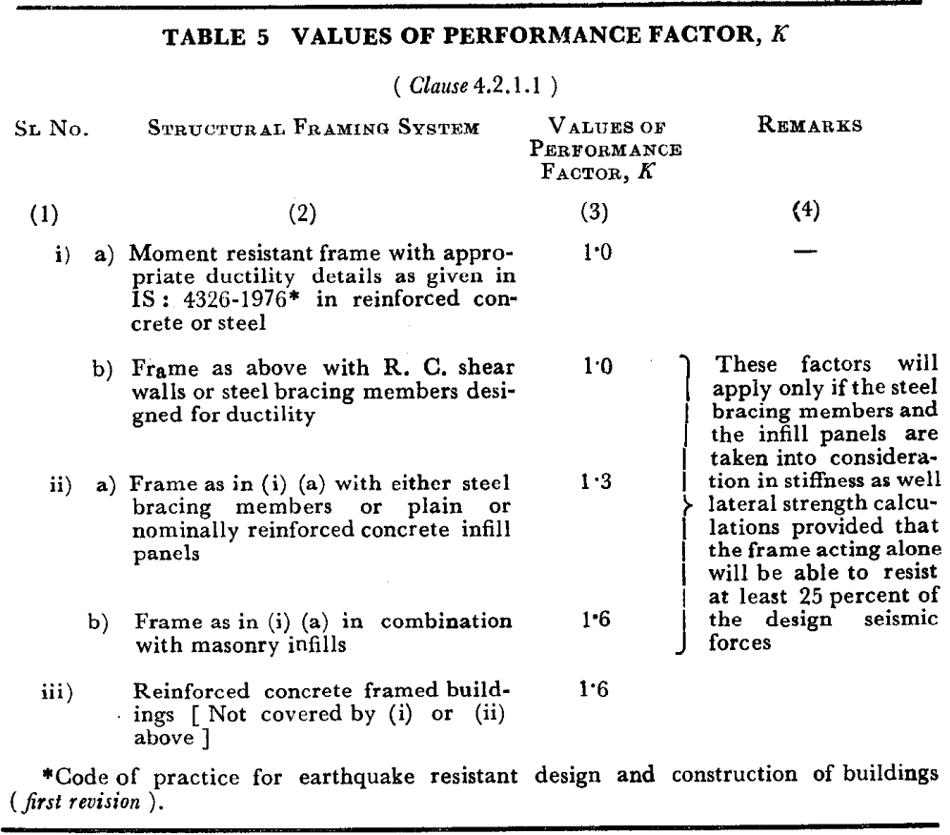
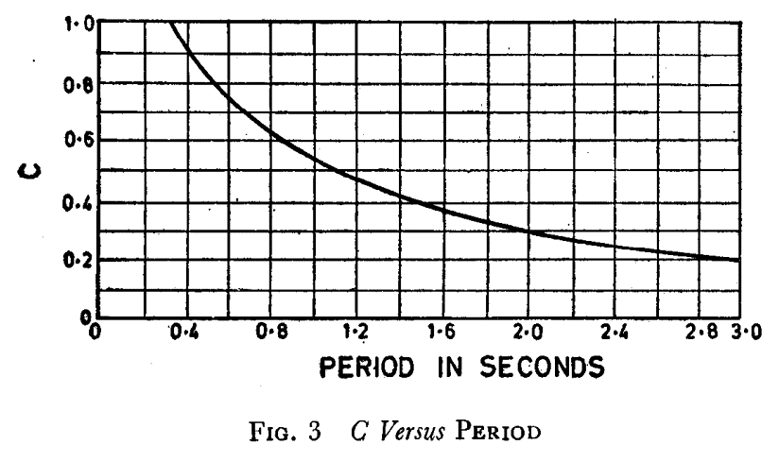
X
Y
b_1
b_2
b_1_outer
b_2_outer
X
Y
b_1
b_2
b_1_outer
b_2_outer
 | IS 1893-1 (2016) | 3
IS 1893 (part-1) (2002, 2016) |  |  |  |  |  |  |  |  | IS 1893 (1984) |  | Floors | 5
Total DL + SIDL | 97863 | kN |  |  |  |  |  |  | Total DL + SIDL | 97863 | kN
Live Load (<= 3) | 0 | kN |  |  |  |  |  |  | Live Load (<= 3) | 0 | kN
Live Load (> 3) | 36310 | kN |  |  |  |  |  |  | Live Load (> 3) | 36310 | kN

Seismic Weight | 116018 | kN |  |  |  |  |  |  | Seismic Weight | 116018 | kN

Zone | V |  |  |  |  |  |  |  | Zone | V
Importance factor, I | 1 |  |  |  |  |  |  |  | Importance factor, I (Table 4) | 1
Response Reduction, R | 5 |  |  |  |  |  |  |  | Performance factor, K (Table 5) | 1 | (even moden OMRF satisfies this criterion)
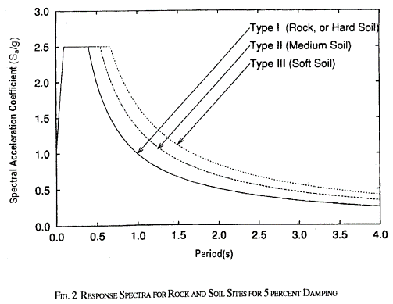
Height, H | 20.1 | m |  |  |  |  |  |  | Height, H | 20.1 | m
b1 (col-to-col) | 24.6 | m |  |  |  |  |  |  | b1 (col-to-col) | 24.6 | m
b2 (col-to-col) | 73.8 | m |  |  |  |  |  |  | b2 (col-to-col) | 73.8 | m
Building type | RCC bare frame |  |  |  |  |  |  |  | Building type | RCC bare frame
Soil Strata | Rocky or Hard Soil |  |  |  |  |  |  |  | Soil Strata | Rocky or Hard Soil

b1_outer (used for accidental ecc) | 43.65 | m |  |  |  |  |  |  | b1_outer (used for acc ecc) | 43.65 | m
b2_outer (used for accidental ecc) | 26.971 | m |  |  |  |  |  |  | b2_outer (used for acc ecc) | 26.971 | m

Z | 0.36 |  |  |  |  |  |  |  | α0 (Table 2) | 0.08
Time period, TX | 0.712 | sec |  |  |  |  |  |  | Time period, TX | 0.500 | sec
Time period, TY | 0.712 | sec |  |  |  |  |  |  | Time period, TY | 0.500 | sec
Avrg response accn coeff, (Sa/g)_x | 1.405 |  |  |  |  |  |  |  | Flexibility coeff, C_x (Figure 3) | 0.825 | Obtained using curve fitting tool. These expressions have very high R^2 value (>0.99).
Avrg response accn coeff, (Sa/g)_y | 1.405 |  |  |  |  |  |  |  | Flexibility coeff, C_y (Figure 3) | 0.825
 |  |  |  |  |  |  |  |  | Soil-foundation factor, β (Table 3) | 1.0
Design Seism coeff, (Ah)_x | 0.0506 |  |  |  |  |  |  |  | (Vb/W)_x | 0.0660
Design Seism coeff, (Ah)_y | 0.0506 |  |  |  |  |  |  |  | (Vb/W)_y | 0.0660

Base Shear, Vb_x | 5866.4 | kN |  |  |  |  |  |  | Base Shear, Vb_x | 7657.8 | kN
Base Shear, Vb_y | 5866.4 | kN |  |  |  |  |  |  | Base Shear, Vb_y | 7657.8 | kN

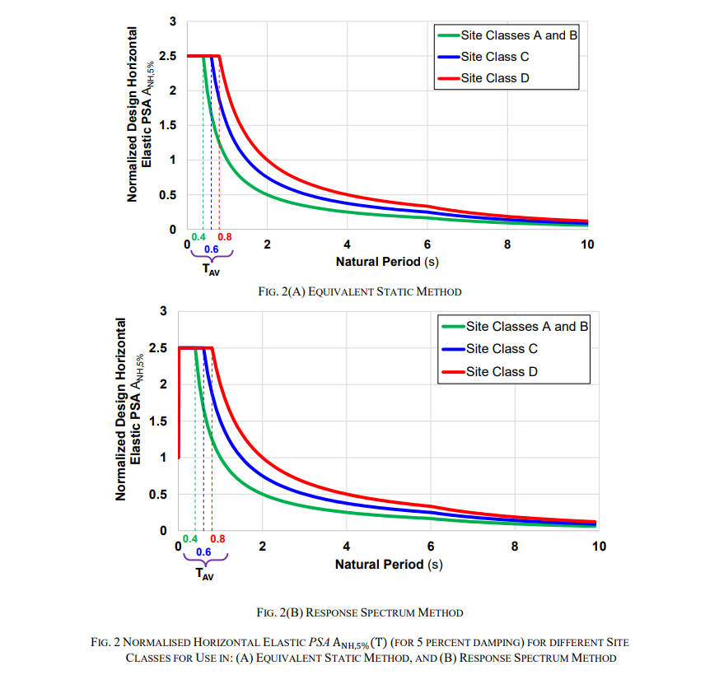
IS 1893 (part-1 & 5) (2025) |  |  |  |  |  |  |  |  | 3 | 0.192
Total DL + SIDL | 97863 | kN
Live Load (<= 3) | 0 | kN
Live Load (> 3) | 36310 | kN

Seismic Weight | 116018 | kN
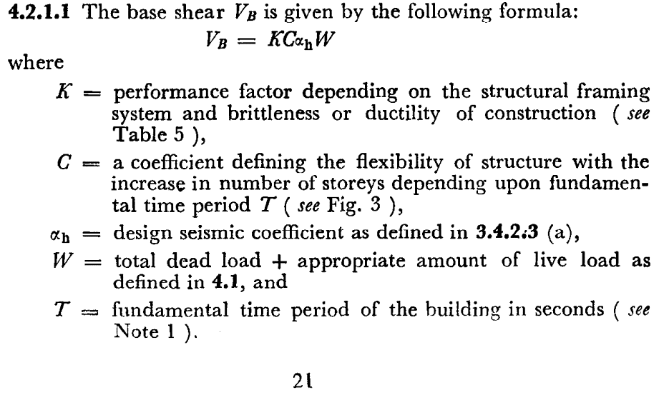
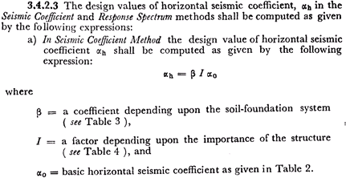
Zone | V
Importance factor, I | 1
Response Reduction, R | 5
Height, H | 20.1 | m
b1 (col-to-col) | 24.6 | m
b2 (col-to-col) | 73.8 | m
Building type | RCC bare frame
Soil Strata | A/B

If Shear wall/Masonary infill wall is provided - use the values on the right side |  |  |  |  | Ncsw | 0
If Shear wall/Masonary infill wall is NOT provided - (make 0) |  |  | Lcswi | 0 | ρmw | 0 | ρcswi | 0

Z | 0.333 |  | (For Normal Building with return period 475 years)
Time period, TX | 0.667 | sec
Time period, TY | 0.667 | sec
Avrg response accn coeff, Anh(Th)_x | 1.499
Avrg response accn coeff, Anh(Th)_y | 1.499

Design Seism coeff, (Ahd)_x | 0.0998
Design Seism coeff, (Ahd)_y | 0.0998

Base Shear, Vb_x | 11581.5 | kN
Base Shear, Vb_y | 11581.5 | kN

Joint shear check
fy | 500 |  | OSF for fy | 1.25
fck | 50 |  | OSF for fck | 1.5 | beams on 4 faces
 |  |  | OSF for fck | 1.2 | beams on 3 faces

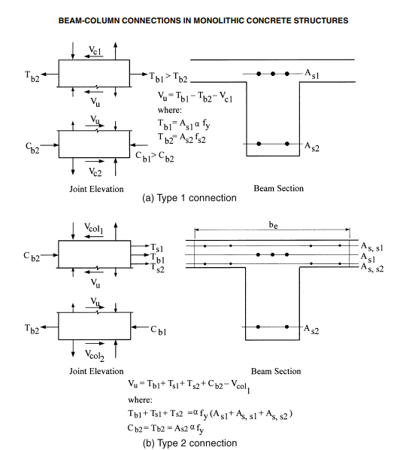
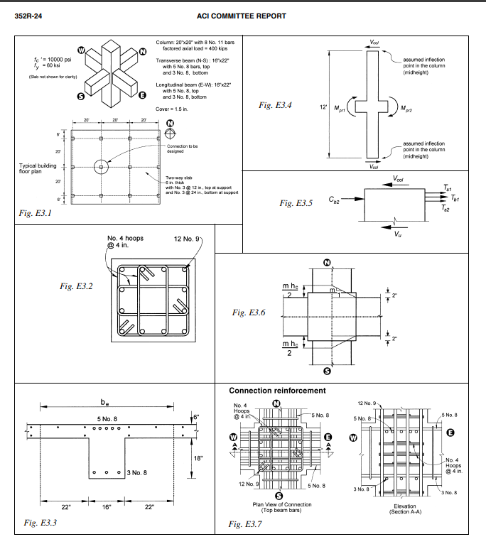
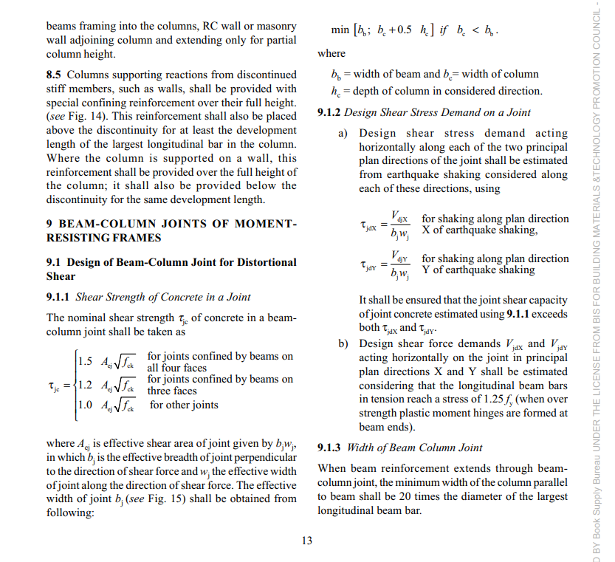
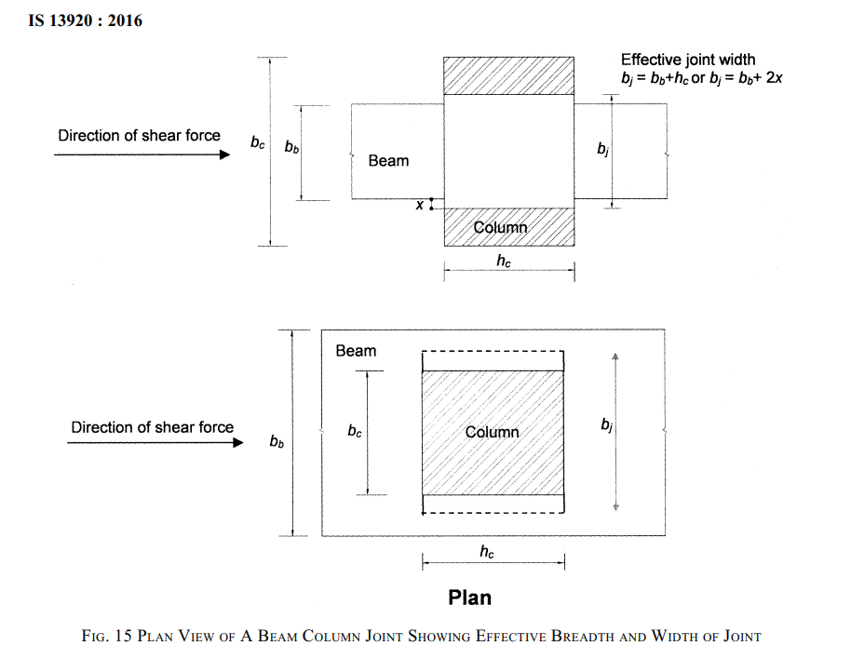
JointType: | Internal
Storey No | Joint Location | Trans Direction | Vcol (kN) from Analysis | Ast_L (mm2) | Ast-R(mm2) | T1-L (kN) | C2-R(kN) | bc (mm) | hc (mm) | bb (mm) | bj (mm) | Aej (mm2) | Vjoint (kN) | ShearStress τjdx (N/mm2) | ShearCap τjc (N/mm2) | Status | bj=bb+hc | x=(bc-bb)/2 | bj =bb+2x | bj =MIN(bj=bb+hc OR bj =bb+2x)
5 | 9B | SwayRight (+EQX) | 304 | 2061 | 1610 | 1288 | 1006 | 600 | 600 | 400 | 600 | 360000 | 1990 | 5.53 | 10.61 | OK | 1000 | 100 | 600 | 600
4 | 9B | SwayRight (+EQX) | 468 | 2867 | 1610 | 1792 | 1006 | 600 | 600 | 400 | 600 | 360000 | 2330 | 6.47 | 10.61 | OK | 1000 | 100 | 600 | 600
3 | 9B | SwayRight (+EQX) | 598 | 3347 | 1610 | 2092 | 1006 | 600 | 600 | 400 | 600 | 360000 | 2500 | 6.95 | 10.61 | OK | 1000 | 100 | 600 | 600
2 | 9B | SwayRight (+EQX) | 637 | 3574 | 1963 | 2233 | 1227 | 600 | 600 | 400 | 600 | 360000 | 2824 | 7.84 | 10.61 | OK | 1000 | 100 | 600 | 600
1 | 9B | SwayRight (+EQX) | 614 | 3347 | 1963 | 2092 | 1227 | 600 | 600 | 400 | 600 | 360000 | 2705 | 7.51 | 10.61 | OK | 1000 | 100 | 600 | 600

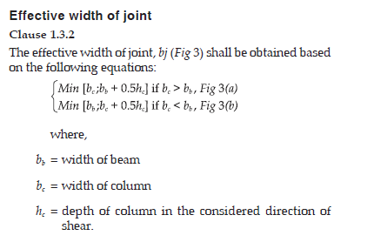
JointType: | External
Storey No | Joint Location | Trans Direction | Vcol (kN) | Ast_L (mm2) | Ast-R(mm2) | T1-L (kN) | C2-R(kN) | bc (mm) | hc (mm) | bb (mm) | bj (mm) | Aej (mm2) | Vjoint (kN) | ShearStress τjdx (N/mm2) | ShearCap τjc (N/mm2) | Status | bj=bb+hc | x=(bc-bb)/2 | bj =bb+2x | bj =MIN(bj=bb+hc OR bj =bb+2x)
5 | 9A | SwayRight (+EQX) | 135 | - | 1610 | - | 1006 | 450 | 600 | 400 | 450 | 270000 | 871 | 3.23 | 8.49 | OK | 1000 | 25 | 450 | 450
4 | 9A | SwayRight (+EQX) | 266 | - | 1610 | - | 1006 | 450 | 600 | 400 | 450 | 270000 | 740 | 2.74 | 8.49 | OK | 1000 | 25 | 450 | 450
3 | 9A | SwayRight (+EQX) | 304 | - | 1610 | - | 1006 | 450 | 600 | 400 | 450 | 270000 | 702 | 2.60 | 8.49 | OK | 1000 | 25 | 450 | 450
2 | 9A | SwayRight (+EQX) | 346 | - | 1963 | - | 1227 | 450 | 600 | 400 | 450 | 270000 | 881 | 3.26 | 8.49 | OK | 1000 | 25 | 450 | 450
1 | 9A | SwayRight (+EQX) | 399 | - | 1963 | - | 1227 | 450 | 600 | 400 | 450 | 270000 | 828 | 3.07 | 8.49 | OK | 1000 | 25 | 450 | 450

DesignFile
D
B
density | 25 | kN/cum | ρ and ρ' are r/f ratios based on total cross section area. In the code it is converted to be based on effective depth in the Sub yieldMomentFardis. Transverse area ration, ρsh = Ash/ sb
 |  |  |  |  |  |  |  |  |  |  | row spacing | 9
 | Floors | 7 |  |  |  |  |  |  |  |  | col spacing | 10
 | Bays | 3
 |  |  |  | Bldg ID- | 5story_35053v02_R5 |  |  |  |  |  |  |  |  |  | Seismic code | IS 1893-1 (2016) |  |  |  |  |  | Detailing | Special 13920 (2016)
Instructions to create Model with repeated Grids
Now, in general, updated formulae use index and import values from the detailing sheet and do not need manual filling of values in this sheet and running of VBA code. The simple process as follows should suffice. VBA macros can, however, be used to clear data.
Copy the formula from (n-1)^{th} or 2nd floor to all other floors.
 |  |  |  |  |  | = width (mm) | = depth (mm) | = ρtop | = ρbot | = ρsh | = s (mm) | = Bay Width (mm) |  |  | = width (mm) | = depth (mm) | = ρtop | = ρbot | = ρsh | = s (mm) | = Bay Width (mm) |  |  | = width (mm) | = depth (mm) | = ρtop | = ρbot | = ρsh | = s (mm) | = Bay Width (mm)
-2 |  |  |  | Grid 1 |  | 400 | 750 | 0.0069 | 0.0065 | 0.0063 | 125 | 8200 | Grid 2 |  | 400 | 750 | 0.0069 | 0.0054 | 0.0052 | 150 | 8200 | Grid 3 |  | 400 | 750 | 0.0069 | 0.0065 | 0.0063 | 125 | 8200 | Grid 4 | Level 5 (20.1 m)
-1 |  |  |  |  |  | T | 4 | Y 20 | + | 4 | Y 16 |  |  |  | T | 4 | Y 20 | + | 4 | Y 16 |  |  |  | T | 4 | Y 20 | + | 4 | Y 16
0 |  |  |  | B (mm) = | 450 | B | 2 | Y 25 | + | 2 | Y 25 |  |  | 600 | B | 2 | Y 25 | + | 2 | Y 20 |  |  | 600 | B | 2 | Y 25 | + | 2 | Y 25 |  |  | 450
1 |  |  |  | D (mm) = | 600 | Stirrups |  | 4-L | Y 10 |  |  |  |  | 600 | Stirrups |  | 4-L | Y 10 |  |  |  |  | 600 | Stirrups |  | 4-L | Y 10 |  |  |  |  | 600
2 |  |  |  | ρs,tot = | 0.0095 |  |  |  |  |  |  |  |  | 0.0086 |  |  |  |  |  |  |  |  | 0.0086 |  |  |  |  |  |  |  |  | 0.0095
3 |  |  |  | ρ = ρ' = | 0.0031 | 6 | Y 16 | + | 3 |  |  |  |  | 0.0027 | 12 | Y 16 | + | 4 |  |  |  |  | 0.0027 | 12 | Y 16 | + |  |  |  |  |  | 0.0031 | 6 | Y 16 | +
4 |  |  |  | ρsh = | 0.0070 | 12 | Y 12 |  | 2 |  |  |  |  | 0.0052 | 6 | Y 12 |  | 1.5 |  |  |  |  | 0.0052 | 6 | Y 12 |  |  |  |  |  |  | 0.0070 | 12 | Y 12
5 |  |  |  | s (mm) = | 100 | Y 10 |  |  |  |  |  |  |  | 100 | Y 10 |  |  |  |  |  |  |  | 100 | Y 10 |  |  |  |  |  |  |  | 100 | Y 10
6 |  |  |  | floor ht (mm) = | 3900 | 4 |  |  |  |  |  |  |  | 3900 | 4 |  |  |  |  |  |  |  | 3900 | 4 |  |  |  |  |  |  |  | 3900 | 4
 |  |  |  | SCWB = 0.00 |  | 400 | 750 | 0.0092 | 0.0054 | 0.0063 | 125 | 8200 | 0.00 |  | 400 | 750 | 0.0096 | 0.0054 | 0.0063 | 125 | 8200 | 0.00 |  | 400 | 750 | 0.0092 | 0.0054 | 0.0063 | 125 | 8200 | 0.00 | Level 4 (16.2 m)
 |  |  |  |  |  | T | 4 | Y 25 | + | 4 | Y 16 |  |  |  | T | 2 | Y 25 | + | 6 | Y 20 |  |  |  | T | 4 | Y 25 | + | 4 | Y 16
 |  |  |  | B (mm) = | 450 | B | 2 | Y 25 | + | 2 | Y 20 |  |  | 600 | B | 2 | Y 25 | + | 2 | Y 20 |  |  | 600 | B | 2 | Y 25 | + | 2 | Y 20 |  |  | 450
Instructions to create Model with repeated Grids (NOT needed anymore)
Step 1- Hit Clear All. Step 2- Feed Bay = 1, Floor = Actual #floors, Hit Populate.
Step 3- Hit Clear All Except Grid 1 to clear the grid2 data.
Step 4- Feed data of all floors in first grid. Step 5- Feed Bay = Actual #bays, Hit Repeat Grid1 .
Instructions to change only the number of grids in the Model
Step 1- Hit Clear All Except Grid 1.
Step 2- Change the number of Bays to required.
Step 3- Hit Repeat Grid1.
 |  |  |  | D (mm) = | 600 | Stirrups |  | 4-L | Y 10 |  |  |  |  | 600 | Stirrups |  | 4-L | Y 10 |  |  |  |  | 600 | Stirrups |  | 4-L | Y 10 |  |  |  |  | 600
 |  |  |  | ρs,tot = | 0.0095 |  |  |  |  |  |  |  |  | 0.0086 |  |  |  |  |  |  |  |  | 0.0086 |  |  |  |  |  |  |  |  | 0.0095
 |  |  |  | ρ = ρ' = | 0.0031 | 6 | Y 16 | + | 3 |  |  |  |  | 0.0027 | 12 | Y 16 | + | 4 |  |  |  |  | 0.0027 | 12 | Y 16 | + |  |  |  |  |  | 0.0031 | 6 | Y 16 | +
 |  |  |  | ρsh = | 0.0070 | 12 | Y 12 |  | 2 |  |  |  |  | 0.0052 | 6 | Y 12 |  | 1.5 |  |  |  |  | 0.0052 | 6 | Y 12 |  |  |  |  |  |  | 0.0070 | 12 | Y 12
 |  |  |  | s (mm) = | 100 | Y 10 |  |  |  |  |  |  |  | 100 | Y 10 |  |  |  |  |  |  |  | 100 | Y 10 |  |  |  |  |  |  |  | 100 | Y 10
 |  |  |  | floor ht (mm) = | 3900 | 4 |  |  |  |  |  |  |  | 3900 | 4 |  |  |  |  |  |  |  | 3900 | 4 |  |  |  |  |  |  |  | 3900 | 4
 |  |  |  | SCWB = 0.00 |  | 400 | 750 | 0.0112 | 0.0065 | 0.0063 | 125 | 8200 | 0.00 |  | 400 | 750 | 0.0112 | 0.0054 | 0.0063 | 125 | 8200 | 0.00 |  | 400 | 750 | 0.0112 | 0.0065 | 0.0063 | 125 | 8200 | 0.00 | Level 3 (12.3 m)
 |  |  |  |  |  | T | 6 | Y 25 | + | 2 | Y 16 |  |  |  | T | 6 | Y 25 | + | 2 | Y 16 |  |  |  | T | 6 | Y 25 | + | 2 | Y 16
 |  |  |  | B (mm) = | 450 | B | 2 | Y 25 | + | 2 | Y 25 |  |  | 600 | B | 2 | Y 25 | + | 2 | Y 20 |  |  | 600 | B | 2 | Y 25 | + | 2 | Y 25 |  |  | 450
 |  |  |  | D (mm) = | 600 | Stirrups |  | 4-L | Y 10 |  |  |  |  | 600 | Stirrups |  | 4-L | Y 10 |  |  |  |  | 600 | Stirrups |  | 4-L | Y 10 |  |  |  |  | 600
 |  |  |  | ρs,tot = | 0.0184 |  |  |  |  |  |  |  |  | 0.0086 |  |  |  |  |  |  |  |  | 0.0086 |  |  |  |  |  |  |  |  | 0.0184
 |  |  |  | ρ = ρ' = | 0.0058 | 12 | Y 20 | + | 5 |  |  |  |  | 0.0027 | 12 | Y 16 | + | 4 |  |  |  |  | 0.0027 | 12 | Y 16 | + |  |  |  |  |  | 0.0058 | 12 | Y 20 | +
 |  |  |  | ρsh = | 0.0070 | 6 | Y 16 |  | 0 |  |  |  |  | 0.0052 | 6 | Y 12 |  | 1.5 |  |  |  |  | 0.0052 | 6 | Y 12 |  |  |  |  |  |  | 0.0070 | 6 | Y 16
 |  |  |  | s (mm) = | 100 | Y 10 |  |  |  |  |  |  |  | 100 | Y 10 |  |  |  |  |  |  |  | 100 | Y 10 |  |  |  |  |  |  |  | 100 | Y 10
 |  |  |  | floor ht (mm) = | 3900 | 4 |  |  |  |  |  |  |  | 3900 | 4 |  |  |  |  |  |  |  | 3900 | 4 |  |  |  |  |  |  |  | 3900 | 4
 |  |  |  | SCWB = 0.00 |  | 400 | 750 | 0.0119 | 0.0065 | 0.0063 | 125 | 8200 | 0.00 |  | 400 | 750 | 0.0119 | 0.0065 | 0.0063 | 125 | 8200 | 0.00 |  | 400 | 750 | 0.0119 | 0.0065 | 0.0063 | 125 | 8200 | 0.00 | Level 2 (8.4 m)
 |  |  |  |  |  | T | 6 | Y 25 | + | 2 | Y 20 |  |  |  | T | 6 | Y 25 | + | 2 | Y 20 |  |  |  | T | 6 | Y 25 | + | 2 | Y 20
 |  |  |  | B (mm) = | 450 | B | 2 | Y 25 | + | 2 | Y 25 |  |  | 600 | B | 2 | Y 25 | + | 2 | Y 25 |  |  | 600 | B | 2 | Y 25 | + | 2 | Y 25 |  |  | 450
 |  |  |  | D (mm) = | 600 | Stirrups |  | 4-L | Y 10 |  |  |  |  | 600 | Stirrups |  | 4-L | Y 10 |  |  |  |  | 600 | Stirrups |  | 4-L | Y 10 |  |  |  |  | 600
 |  |  |  | ρs,tot = | 0.0263 |  |  |  |  |  |  |  |  | 0.0157 |  |  |  |  |  |  |  |  | 0.0157 |  |  |  |  |  |  |  |  | 0.0263
 |  |  |  | ρ = ρ' = | 0.0091 | 12 | Y 25 | + | 5 |  |  |  |  | 0.0048 | 12 | Y 20 | + | 4 |  |  |  |  | 0.0048 | 12 | Y 20 | + |  |  |  |  |  | 0.0091 | 12 | Y 25 | +
 |  |  |  | ρsh = | 0.0070 | 6 | Y 16 |  | 0 |  |  |  |  | 0.0052 | 6 | Y 20 |  | 1.5 |  |  |  |  | 0.0052 | 6 | Y 20 |  |  |  |  |  |  | 0.0070 | 6 | Y 16
 |  |  |  | s (mm) = | 100 | Y 10 |  |  |  |  |  |  |  | 100 | Y 10 |  |  |  |  |  |  |  | 100 | Y 10 |  |  |  |  |  |  |  | 100 | Y 10
 |  |  |  | floor ht (mm) = | 3900 | 4 |  |  |  |  |  |  |  | 3900 | 4 |  |  |  |  |  |  |  | 3900 | 4 |  |  |  |  |  |  |  | 3900 | 4
 |  |  |  | SCWB = 0.00 |  | 400 | 750 | 0.0119 | 0.0065 | 0.0063 | 125 | 8200 | 0.00 |  | 400 | 750 | 0.0112 | 0.0065 | 0.0063 | 125 | 8200 | 0.00 |  | 400 | 750 | 0.0119 | 0.0065 | 0.0063 | 125 | 8200 | 0.00 | Level 1 (4.5 m)
 |  |  |  |  |  | T | 6 | Y 25 | + | 2 | Y 20 |  |  |  | T | 6 | Y 25 | + | 2 | Y 16 |  |  |  | T | 6 | Y 25 | + | 2 | Y 20
 |  |  |  | B (mm) = | 450 | B | 2 | Y 25 | + | 2 | Y 25 |  |  | 600 | B | 2 | Y 25 | + | 2 | Y 25 |  |  | 600 | B | 2 | Y 25 | + | 2 | Y 25 |  |  | 450
 |  |  |  | D (mm) = | 600 | Stirrups |  | 4-L | Y 10 |  |  |  |  | 600 | Stirrups |  | 4-L | Y 10 |  |  |  |  | 600 | Stirrups |  | 4-L | Y 10 |  |  |  |  | 600
 |  |  |  | ρs,tot = | 0.0327 |  |  |  |  |  |  |  |  | 0.0350 |  |  |  |  |  |  |  |  | 0.0350 |  |  |  |  |  |  |  |  | 0.0327
 |  |  |  | ρ = ρ' = | 0.0091 | 12 | Y 25 | + | 5 |  |  |  |  | 0.0110 | 12 | Y 32 | + | 4 |  |  |  |  | 0.0110 | 12 | Y 32 | + |  |  |  |  |  | 0.0091 | 12 | Y 25 | +
 |  |  |  | ρsh = | 0.0070 | 6 | Y 25 |  | 0 |  |  |  |  | 0.0052 | 6 | Y 25 |  | 1.5 |  |  |  |  | 0.0052 | 6 | Y 25 |  |  |  |  |  |  | 0.0070 | 6 | Y 25
 |  |  |  | s (mm) = | 100 | Y 10 |  |  |  |  |  |  |  | 100 | Y 10 |  |  |  |  |  |  |  | 100 | Y 10 |  |  |  |  |  |  |  | 100 | Y 10
 |  |  |  | floor ht (mm) = | 4500 | 4 |  |  |  |  |  |  |  | 4500 | 4 |  |  |  |  |  |  |  | 4500 | 4 |  |  |  |  |  |  |  | 4500 | 4
 |  |  |  |  |  |  |  |  |  |  |  |  |  |  |  |  |  |  |  |  |  |  |  |  |  |  |  |  |  |  |  | Level 0 (0.0 m)
 |  |  |  |  |  |  | Grade beam depth (mm) |  |  |  |  |  | 750

FDN_STIFFNESS
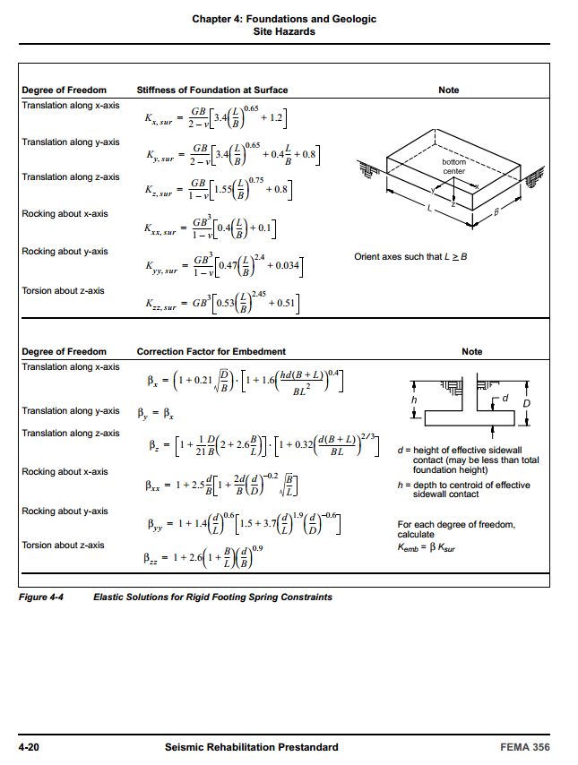
 |  | Tabel 4-7, FEMA 356 |  | Effective shear modulus ratio (G/Go) |  |  |  |  | Tabel 20.3-1, ASCE 7-10 |  | NEHRP soil classification
 |  |  | Effective Peak Ground Acceleration, SXS/2.5 |  |  |  |  |  | Site class |  | Vs (m/sec)
 |  | Site class | 0 | 0.1 | 0.4 | 0.8 |  |  | A | 1500 < | Hard Rock
 |  | A | 1.00 | 1.00 | 1.00 | 1.00 |  |  | B | 760 < | Rock | < 1500
 |  | B | 1.00 | 1.00 | 0.95 | 0.90 |  |  | C | 360 < | Very dense soil and soft rock | < 760
 |  | C | 1.00 | 0.95 | 0.75 | 0.60 |  |  | D | 180 < | stiff soil | < 360
 |  | D | 1.00 | 0.90 | 0.50 | 0.10 |  |  | E |  | soft clay soil | < 180
 |  | E | 1.00 | 0.60 | 0.05 | 0.00 |  | Foundation size approximation
 |  |  |  |  |  |  |  | Assumed SBC | 500 | kN/m2 | LL-factor | 0.25
 |  | SXS/2.5 (g) | 0.5 | Soil class | B |  |  |  | 1DL + 0.25LL (kN) | w_LL (kPa) | LL contr. (kN) | w_DL (kPa) | 1DL + 1LL (kN) | Approx size (mm)
 |  |  |  |  |  |  |  | Max axial load (EXT.) | 1904 | 4 | 672 | 1736 | 2409 | 2195
 |  |  |  |  |  |  |  | Max axial load (INT.) | 3735.3333333 | 4 | 1345 | 3399 | 4744 | 3080
1. SOIL AND FOUNDATION STIFFNESS |  |  |  | (sec 3.3.3, Haselton et al, PEER (2007) An Assessment to Benchmark…) |  |  |  |  |  | Rotation |  | Rotation |  | Translation |  | Translation
Sand and silt (ρ assumed) | Shear wave velocity | Initial shear modulus |  |  |  | L > B |  |  |  | FEMA 356 & ASCE 41 | ATC-40 | FEMA 356 & ASCE 41 | ATC-40 | FEMA 356 & ASCE 41 | ATC-40 | FEMA 356 & ASCE 41 | ATC-40 | FEMA 356 & ASCE 41 | ATC-40 | FEMA 356 & ASCE 41 | ATC-40
r | Vs | Go | G / Go | G | n | L | B | d | D | Kxx |  | Kyy |  | Kx |  | Ky |  | embedment factor |  | Kyy With embedment
(Mg/m^3) | (m/sec) | (kPa) |  | (MPa) |  | (mm) | (mm) | (mm) | (mm) | (kN-mm) | (kN-mm) | (kN-mm) | (kN-mm) | (kN/mm) | (kN/mm) | (kN/mm) | (kN/mm) |  |  | (kN-mm)

1.85 | 760 | 1068560 | 0.94 | 1002 | 0.25 | 2200 | 2200 | 650 | 750 | 7.11E+09 | 6.40E+09 | 7.17E+09 | 6.62E+09 | 5,793 | 5,667 | 5,793 | 5,667 | 2.278 | 2.276 | 1.63E+10 | 1.51E+10
1.85 | 760 | 1068560 | 0.94 | 1002 | 0.25 | 3100 | 3100 | 800 | 900 | 1.99E+10 | 1.79E+10 | 2.01E+10 | 1.85E+10 | 8,163 | 7,986 | 8,163 | 7,986 | 2.120 | 2.117 | 4.25E+10 | 3.92E+10

2. GRADE BEAM AND BASEMENT COLUMN STIFFNESS |  |  |  |  |  | 3a. SOIL STIFFNESS
Grade Beam |  |  |  |  |  |  | Basement Col |  |  |  |  |  | Soil | Total
b (mm) | H (mm) | E (MPa) | I (mm^4) | L (mm) | K (kN-mm) | axial load rat | b (mm) | H (mm) | E (MPa) | I (mm^4) | L (mm) | K (kN-mm) | K (kN-mm) | K (kN-mm)
450 | 750 | 32048.2 | 1.58E+10 | 8200 | 129,844,793 | 0.121 | 450 | 600 | 32048.2 | 8.10E+09 | 0 | 0.00E+00 | 1.633E+10 | 1.646E+10
450 | 750 | 32048.2 | 1.58E+10 | 8200 | 129,844,793 | 0.178 | 600 | 600 | 32048.2 | 1.08E+10 | 0 | 0.00E+00 | 4.251E+10 | 4.264E+10

 |  |  |  |  |  | 3b. ALTERNATURE PROCEDURE FOR SOIL STIFFNESS
 |  |  |  |  |  |  |  |  |  |  | normalized Value | Coeff of subgrade reaction | footing on soil | Total
 |  |  |  |  |  | L (mm) | B (mm) | I_f (mm^4) | SBC (kPa) | SBC (psf) |  | ks (kN/m^3) | Kf (kN-mm) | K (kN-mm)
 |  |  |  |  |  | 2200 | 2200 | 1.95E+12 | 500 | 10442.5 | 0.268 | 2998202.1 | 5.85E+09 | 5982734973.994
 |  |  |  |  |  | 3100 | 3100 | 7.70E+12 | 500 | 10442.5 | 0.268 | 2998202.1 | 2.31E+10 | 23204032829.407

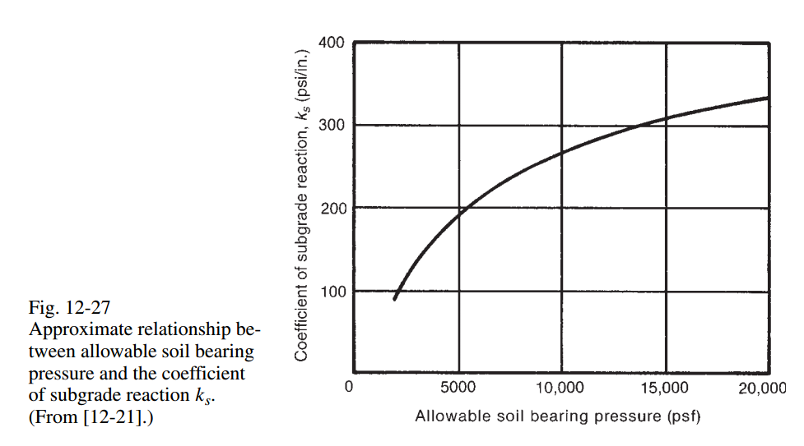
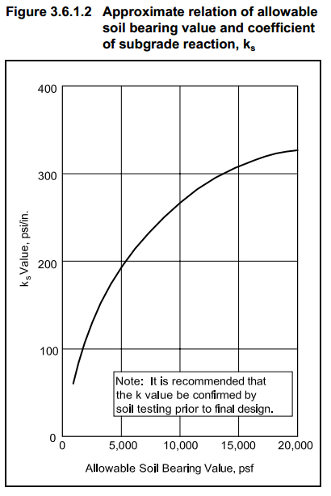
pp 594 of Wight Macgregor,
In turn, from PCI handbook
 |  |  |  |  |  |  | 0.36
 |  |  |  |  |  |  | 0.54

 |  |  |  |  |  |  |  |  | Fitted using cftool of MATLAB ®
 |  |  |  |  |  |  |  |  | p1 = | -1.945 | p2 = | 6.093 | p3 = | -5.053 | p4 = | 2.668
 |  |  |  |  |  |  |  |  | p5 = | -23.32 | p6 = | 76.66 | p7 = | 253.5
 |  |  |  |  |  |  |  |  | mean_x = | 8820
 |  |  |  |  |  |  |  |  | stdev_x = | 6053

 |  | (sec 3.3.3, Haselton et al, PEER (2007) An Assessment to Benchmark…) |  |  |  |  |  |  |  | Kxx |  | Kyy |  | Kx |  | Ky |  | embedment factor |  | Kyy With embedment
Sand and silt (ρ assumed) | Shear wave velocity | Initial shear modulus |  |  |  | L > B |  | d | D | FEMA 356 & ASCE 41 | ATC-40 | FEMA 356 & ASCE 41 | ATC-40 | FEMA 356 & ASCE 41 | ATC-40 | FEMA 356 & ASCE 41 | ATC-40 | FEMA 356 & ASCE 41 | ATC-40 | FEMA 356 & ASCE 41 | ATC-40
r | Vs | Go | G / Go | G | n | L | B | (in) | (in) | (kips-in) | (kips-in) | (kips-in) | (kips-in) | (kips/in) | (kips/in) | (kips/in) | (kips/in) |  |  | (kips-in) | (kips-in)
(Mg/m^3) | (m/sec) | (kPa) |  | (psi) |  | (ft) | (ft)
1.85 | 285 | 150266.25 | #NAME? | #NAME? | 0.25 | 10 | 10 | 12 | 80 | #NAME? | #NAME? | #NAME? | #NAME? | #NAME? | #NAME? | #NAME? | #NAME? | 1.579 | 1.577 | #NAME? | #NAME?

(Mg/m^3) | (m/sec) | (kPa) |  | (MPa) |  | (mm) | (mm) | (mm) | (mm) | (kN-mm) | (kN-mm) | (kN-mm) | (kN-mm) | (kN/mm) | (kN/mm) | (kN/mm) | (kN/mm) | FEMA 356 & ASCE 41 | ATC-40 | FEMA 356 & ASCE 41 | ATC-40
1.85 | 285 | 150266.25 | #NAME? | #NAME? | 0.25 | 3048 | 3048 | 304.8 | 2032 | #NAME? | #NAME? | #NAME? | #NAME? | #NAME? | #NAME? | #NAME? | #NAME? | 1.579 | 1.577 | #NAME? | #NAME?

Grade Beam |  |  |  |  |  |  | Basement Col |  |  |  |  |  | Soil | Total
b (in) | H (in) | E (ksi) | I (in^4) | L (in) | K (kips-in) | axial load rat | b (in) | H (in) | E (ksi) | I (in^4) | L (in) | K (kips-in) | K (kips-in) | K (kips-in)
30 | 24 | 4030 | 34560 | 240 | 1,218,672 | 0.37 | 30 | 26 | 4030 | 43940 | 146 | 3,097,898 | #NAME? | #NAME?

b (mm) | H (mm) | E (MPa) | I (mm^4) | L (mm) | K (kN-mm) | axial load rat | b (mm) | H (mm) | E (MPa) | I (mm^4) | L (mm) | K (kN-mm) | K (kN-mm) | K (kN-mm)
762 | 609.6 | 27786.85 | 14384958069 | 6096 | 137,696,295 | 0.37 | 762 | 660.4 | 27786.85 | 1.83E+10 | 3708.4 | 350,027,821 | #NAME? | #NAME?

